Bug_Report
 | Bug Reporting Form.

1 | Bug ID:- Bug_001
2 | Tital of Bug :- When user Update Profile,but profile not change in dashboard page.
3 | Bug Description :-When user want to update is profile information on dashboard, but the update information not display on dashboard page.
4 | Steps to Reproduce :- 1.open jbktest.com website 2.click on Test Tab 3.click on manual testing tab 4. select a quiz option. 5.click on my account tab 6.click on profile Tab 7.enter the different information on textbox. 8.click on update button.
5 | Test case Id :TC_001
6 | Severity :-Medium
7 | Priority of bug :- Medium
8 | Status of bug :- New
9 | Reproducibility :- Always | `
10 | Screen-Short:
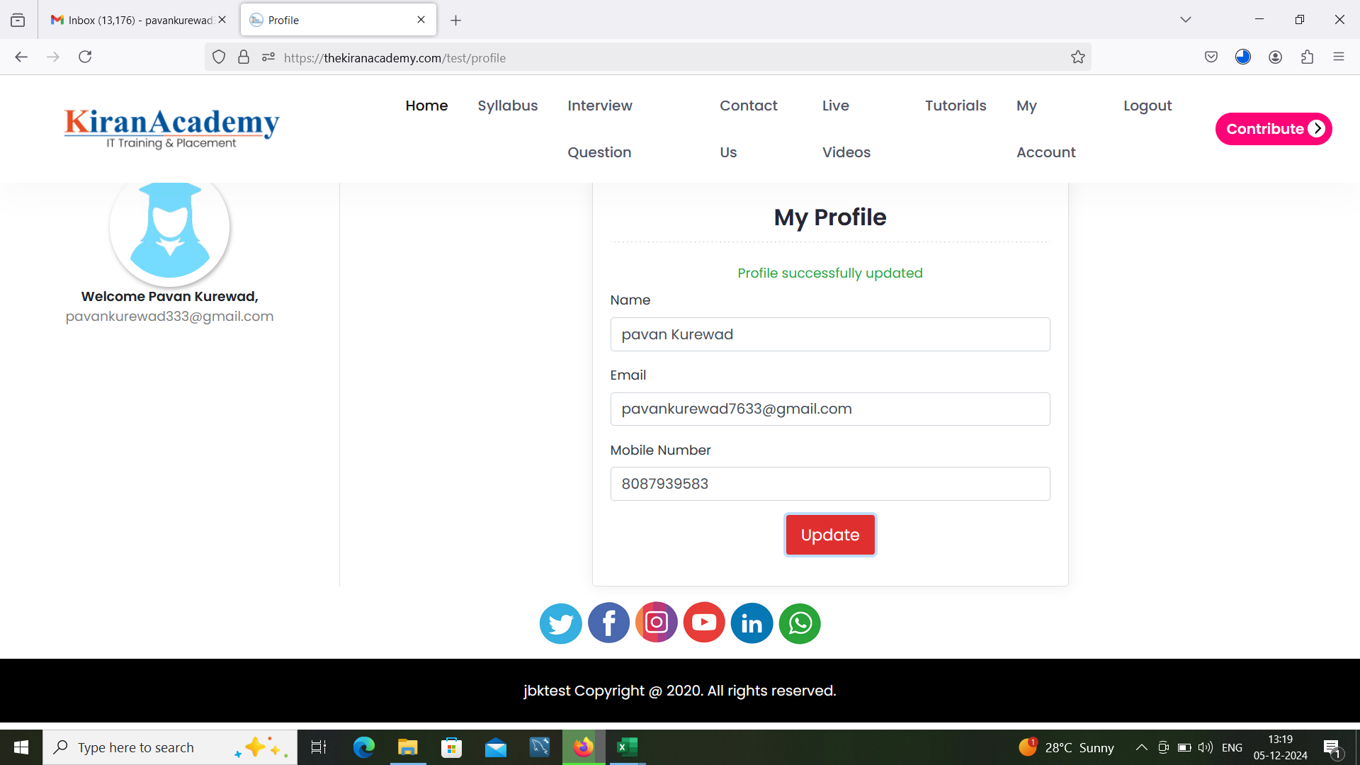

 | Retesting

 | Regression Testing

